Full Data
Name of Local Authority Pension Fund | Description of holding - equity, gilts, government bonds, non govt bonds etc | Sub-category/ Classification | Number of bonds/ shares | Fund manager | Amount
London Borough of Ealing Pension Fund
London Borough of Ealing Pension Fund
London Borough of Ealing Pension Fund
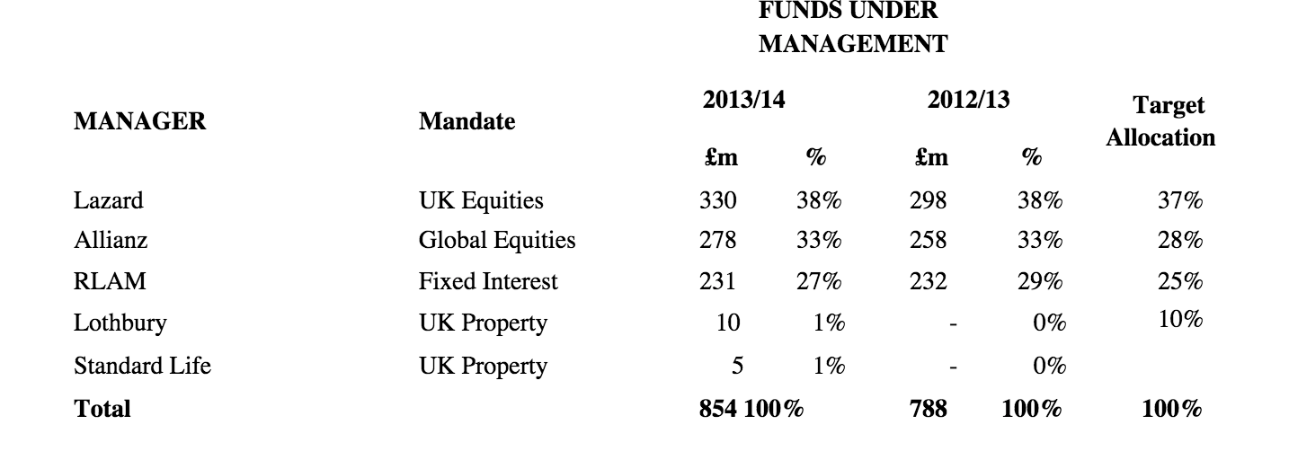
London Borough of Ealing Pension Fund
London Borough of Ealing Pension Fund
London Borough of Ealing Pension Fund
London Borough of Ealing Pension Fund
London Borough of Ealing Pension Fund
London Borough of Ealing Pension Fund
London Borough of Ealing Pension Fund
London Borough of Ealing Pension Fund
London Borough of Ealing Pension Fund
London Borough of Ealing Pension Fund
London Borough of Ealing Pension Fund
London Borough of Ealing Pension Fund
London Borough of Ealing Pension Fund
London Borough of Ealing Pension Fund
London Borough of Ealing Pension Fund
London Borough of Ealing Pension Fund
London Borough of Ealing Pension Fund

